Dashboard
Online Retail Store Analysis- Overview
This Online Retail II data set contains all the transactions occurring for a UK-based and registered, non-store online retail between 01/2/2010 and 09/12/2011.The company mainly sells unique all-occasion gift-ware. Many customers of the company are wholesellers.

Total Sales
£9,54 million
# of Customers
# of Customers
4364
# of Products
3950
4364

Revenue By Month
 | NetRevenue | RevenueChangePct
2/1/2010 | £46,070.32 | -19.38
3/1/2010 | £43,465.65 | -5.65
5/1/2010 | £30,546.96 | -29.72
6/1/2010 | £50,701.25 | 65.98
7/1/2010 | £41,728.21 | -17.7
8/1/2010 | £43,220.96 | 3.58
9/1/2010 | £48,940.47 | 13.23
10/1/2010 | £55,103.20 | 12.59
12/1/2010 | £17,037.50 | -69.08
1/1/2011 | £250,281.78 | 1369.01
2/1/2011 | £235,205.89 | -6.02
3/1/2011 | £262,303.44 | 11.52
4/1/2011 | £358,304.79 | 36.6
5/1/2011 | £298,449.63 | -16.71
6/1/2011 | £323,354.22 | 8.34
7/1/2011 | £392,835.68 | 21.49
8/1/2011 | £330,103.51 | -15.97
9/1/2011 | £282,228.34 | -14.5
10/1/2011 | £319,986.21 | 13.38
11/1/2011 | £378,465.90 | 18.28
12/1/2011 | £221,569.94 | -41.46
Revenue By Country
 | NetRevenue
UNITED KINGDOM | 8053376.13
NETHERLANDS | 283479.54
IRELAND | 259380.02
GERMANY | 200619.66
FRANCE | 182076.6
AUSTRALIA | 136922.5
SWITZERLAND | 52483.05
SPAIN | 51746.65
BELGIUM | 36662.96
JAPAN | 35419.79
SWEDEN | 35166.41
NORWAY | 32292.96
PORTUGAL | 26807.47
CHANNEL ISLANDS | 19926.39
FINLAND | 18303.54
DENMARK | 18042.14
ITALY | 15276.34
CYPRUS | 12843.76
HONG KONG | 9733.24
SINGAPORE | 9120.39
AUSTRIA | 8698.32
ISRAEL | 7901.97
POLAND | 6853.14
UNSPECIFIED | 4740.94
GREECE | 4425.52
ICELAND | 4310
CANADA | 3115.44
MALTA | 1980.47
UNITED ARAB EMIRATES | 1864.78
USA | 1730.92
LEBANON | 1693.88
LITHUANIA | 1661.06
EUROPEAN COMMUNITY | 1150.75
BRAZIL | 1143.6
REPUBLIC OF SOUTH AFRICA | 1002.31
CZECH REPUBLIC | 671.72
BAHRAIN | 548.4
SAUDI ARABIA | 131.17

Revenue By Prodct
 | NetRevenue
REGENCY CAKESTAND 3 TIER | 164459.49
WHITE HANGING HEART T-LIGHT HOLDER | 99612.42
PARTY BUNTING | 98243.88
JUMBO BAG RED RETROSPOT | 92175.79
RABBIT NIGHT LIGHT | 66661.63
PAPER CHAIN KIT 50'S CHRISTMAS | 63715.24
ASSORTED COLOUR BIRD ORNAMENT | 58792.42
CHILLI LIGHTS | 53746.66
SPOTTY BUNTING | 42030.67
JUMBO BAG PINK POLKADOT | 41584.43
Top 5 Customers By Revenue

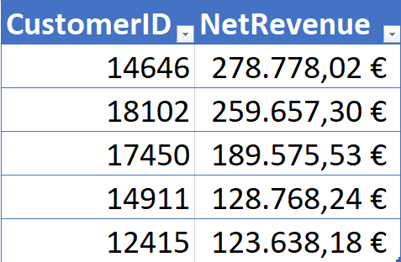

Online Retail Store Analysis- Cancellation Analysis

Gross Sales
Cancellation
Overall Cancellation Rate
AVG Customer Cancellation Rate
£10,26 million
£0,72 million
7,00%
3,36%

Top 10 Customers by Canellation Value
High-Value Customers with Elevated Cancellation Ratios

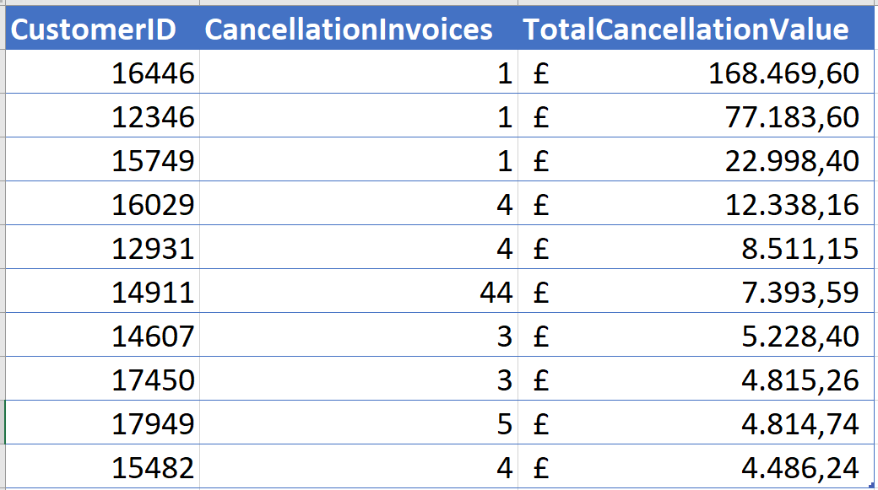
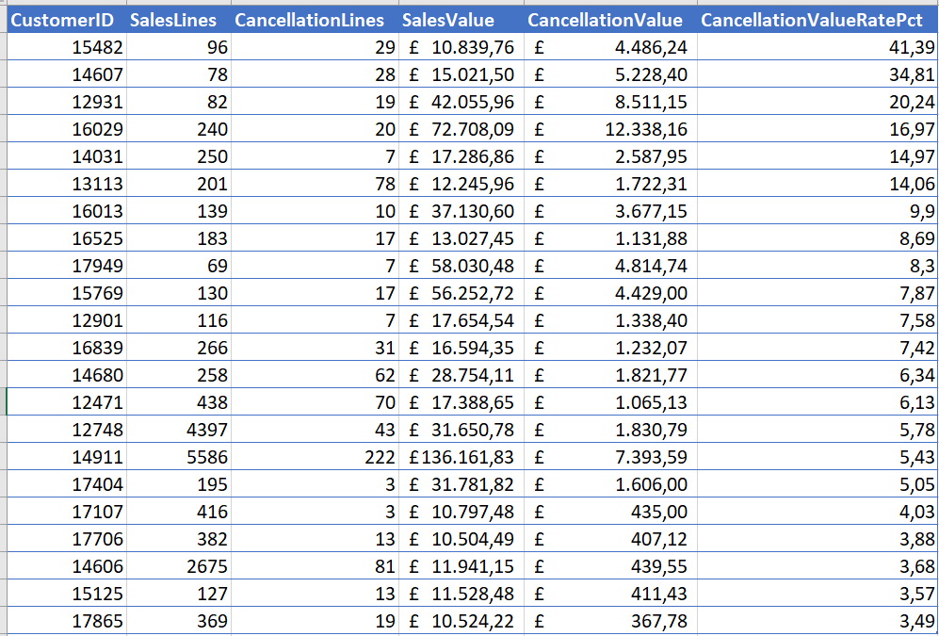

Recommendations
1. Investigate high-value one-time cancellations
The customers with the highest cancellation values completed only one purchase and then cancelled it. These cases should be reviewed individually to determine whether they resulted from order-entry errors, payment issues, duplicate orders, unavailable stock or potentially fraudulent activity. As these customers did not return, the company should also assess whether the cancellation process or customer experience discouraged future purchases.
2. Prioritise high-value repeat customers with elevated cancellation rates
Several valuable repeat customers generate significant revenue but also have cancellation rates above the customer average. These customers should be prioritised because reducing their cancellations could protect substantial future revenue. Their transactions should be analysed by product, order size, timing and cancellation frequency, followed by direct customer contact where appropriate to identify recurring service, fulfilment or ordering problems.
Overall recommendation: Treat these as two distinct groups: investigate one-time cancellations for possible process failures, and actively manage high-value repeat customers as a retention and revenue-protection opportunity.

Revenue Month
MonthStart | NetRevenue | PreviousMonthRevenue | RevenueChangePct
2010-01-01 | £57,144.60
2010-02-01 | £46,070.32 | £57,144.60 | -19.38
2010-03-01 | £43,465.65 | £46,070.32 | -5.65
2010-05-01 | £30,546.96 | £43,465.65 | -29.72
2010-06-01 | £50,701.25 | £30,546.96 | 65.98
2010-07-01 | £41,728.21 | £50,701.25 | -17.7
2010-08-01 | £43,220.96 | £41,728.21 | 3.58
2010-09-01 | £48,940.47 | £43,220.96 | 13.23
2010-10-01 | £55,103.20 | £48,940.47 | 12.59
2010-12-01 | £17,037.50 | £55,103.20 | -69.08
2011-01-01 | £250,281.78 | £17,037.50 | 1369.01
2011-02-01 | £235,205.89 | £250,281.78 | -6.02
2011-03-01 | £262,303.44 | £235,205.89 | 11.52
2011-04-01 | £358,304.79 | £262,303.44 | 36.6
2011-05-01 | £298,449.63 | £358,304.79 | -16.71
2011-06-01 | £323,354.22 | £298,449.63 | 8.34
2011-07-01 | £392,835.68 | £323,354.22 | 21.49
2011-08-01 | £330,103.51 | £392,835.68 | -15.97
2011-09-01 | £282,228.34 | £330,103.51 | -14.5
2011-10-01 | £319,986.21 | £282,228.34 | 13.38
2011-11-01 | £378,465.90 | £319,986.21 | 18.28
2011-12-01 | £221,569.94 | £378,465.90 | -41.46

Revenue Country
Country | NetRevenue
UNITED KINGDOM | 8053376.13
NETHERLANDS | 283479.54
IRELAND | 259380.02
GERMANY | 200619.66
FRANCE | 182076.6
AUSTRALIA | 136922.5
SWITZERLAND | 52483.05
SPAIN | 51746.65
BELGIUM | 36662.96
JAPAN | 35419.79
SWEDEN | 35166.41
NORWAY | 32292.96
PORTUGAL | 26807.47
CHANNEL ISLANDS | 19926.39
FINLAND | 18303.54
DENMARK | 18042.14
ITALY | 15276.34
CYPRUS | 12843.76
HONG KONG | 9733.24
SINGAPORE | 9120.39
AUSTRIA | 8698.32
ISRAEL | 7901.97
POLAND | 6853.14
UNSPECIFIED | 4740.94
GREECE | 4425.52
ICELAND | 4310
CANADA | 3115.44
MALTA | 1980.47
UNITED ARAB EMIRATES | 1864.78
USA | 1730.92
LEBANON | 1693.88
LITHUANIA | 1661.06
EUROPEAN COMMUNITY | 1150.75
BRAZIL | 1143.6
REPUBLIC OF SOUTH AFRICA | 1002.31
CZECH REPUBLIC | 671.72
BAHRAIN | 548.4
SAUDI ARABIA | 131.17

Top10 products
ProductDescription | NetRevenue
REGENCY CAKESTAND 3 TIER | 164459.49
WHITE HANGING HEART T-LIGHT HOLDER | 99612.42
PARTY BUNTING | 98243.88
JUMBO BAG RED RETROSPOT | 92175.79
RABBIT NIGHT LIGHT | 66661.63
PAPER CHAIN KIT 50'S CHRISTMAS | 63715.24
ASSORTED COLOUR BIRD ORNAMENT | 58792.42
CHILLI LIGHTS | 53746.66
SPOTTY BUNTING | 42030.67
JUMBO BAG PINK POLKADOT | 41584.43

